Data Dictionary
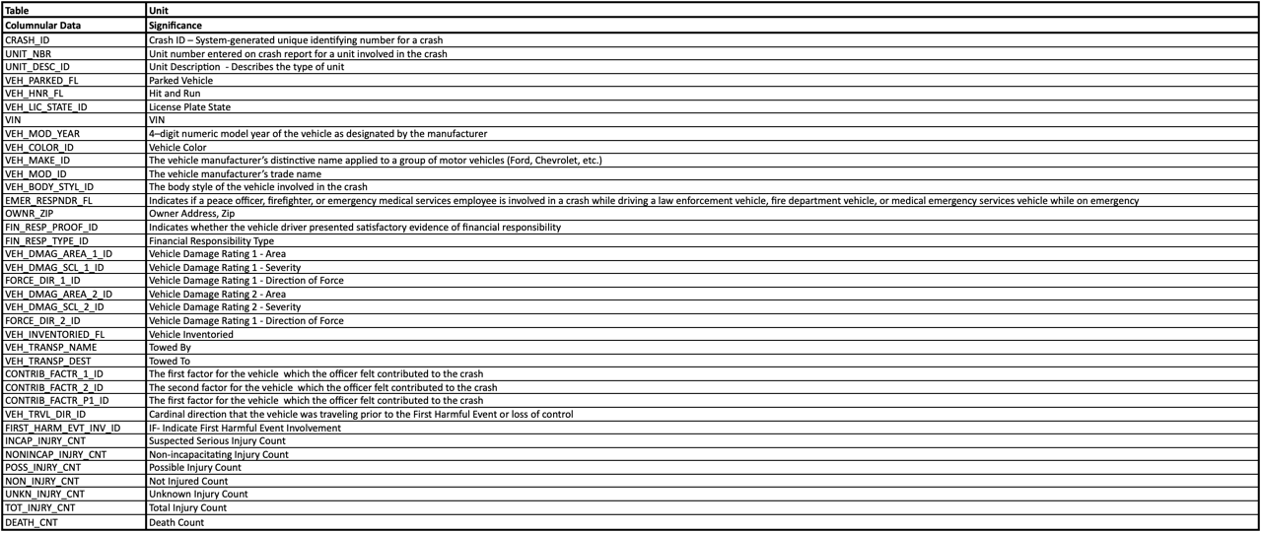
Charges

Endorse

Restrict

Damages

Primary Person
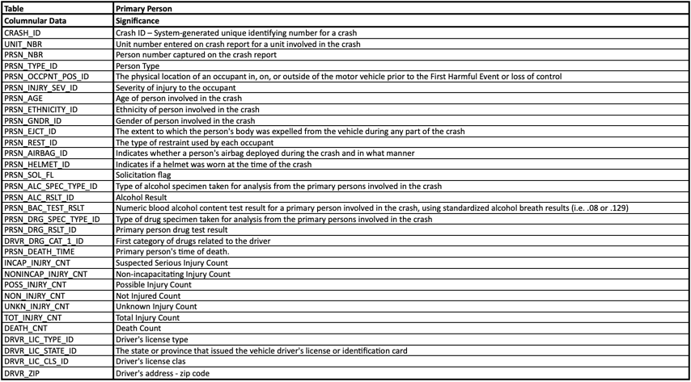

Units

